TIP ISD Pat
TIP ISD Pat
oo4o
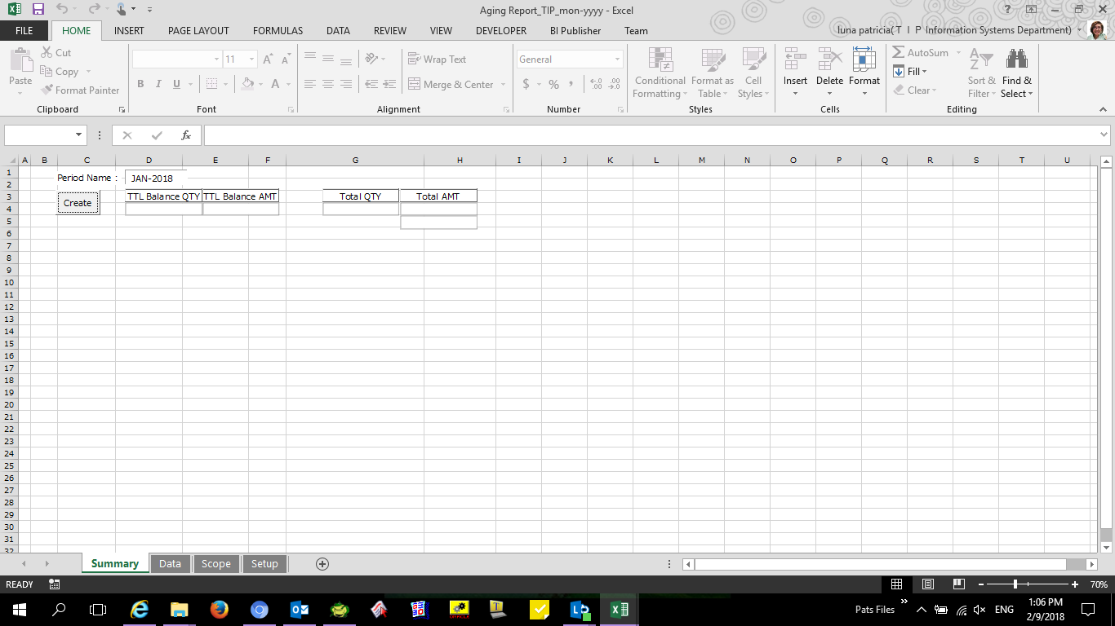

windows update history export

TIP ISD Nilo
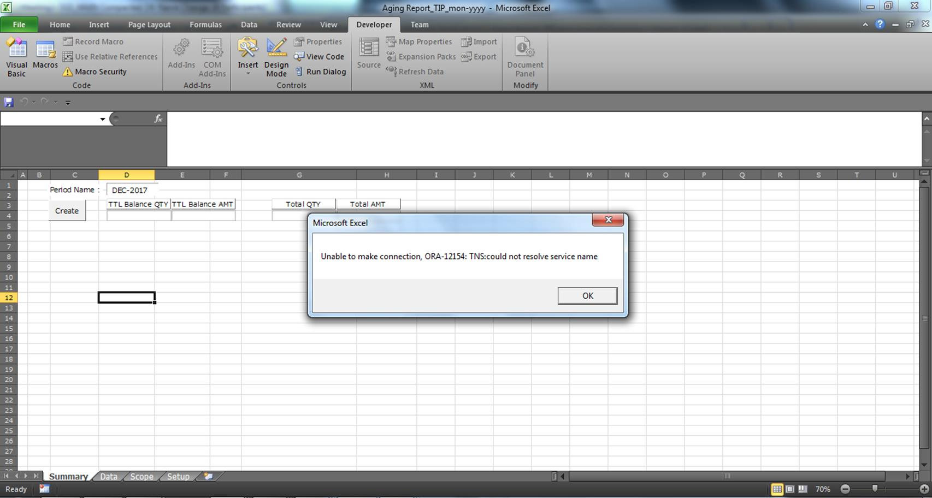
TIP ISD Nilo
oo4o

ME-Sui VerificationPC
ME-Sui VerificationPC
oo4o
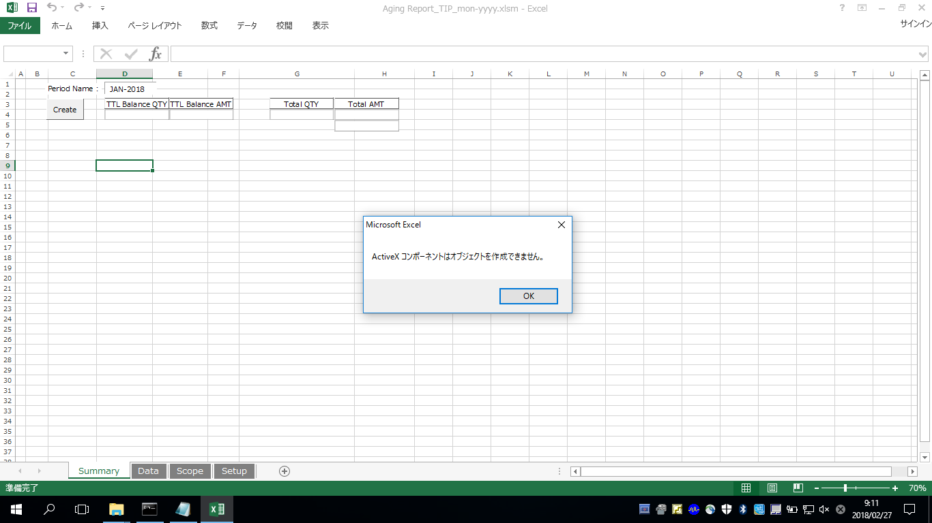

ADO
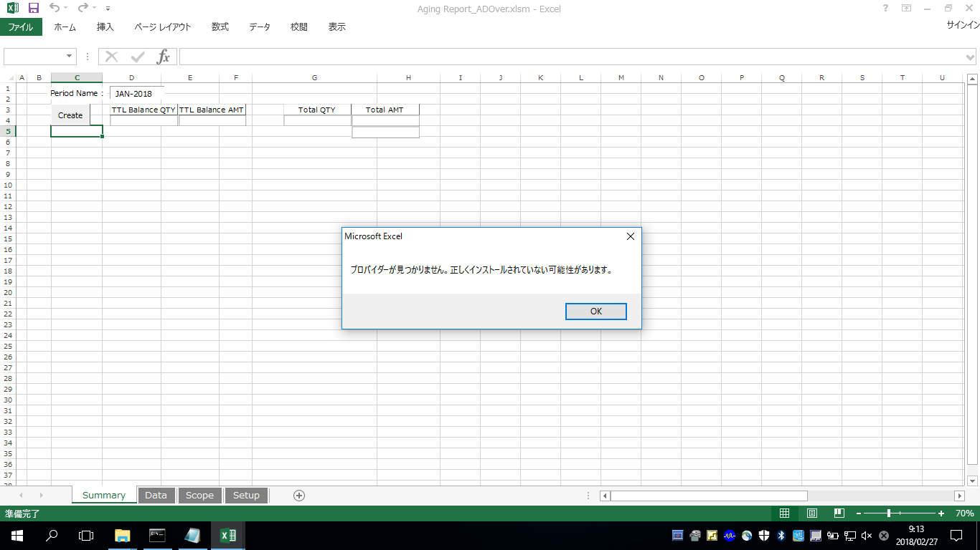

windows update history export

 | wmic qfe list > wmic.txt

 | systeminfo > systeminfo.txt

ME-Sui Kamada
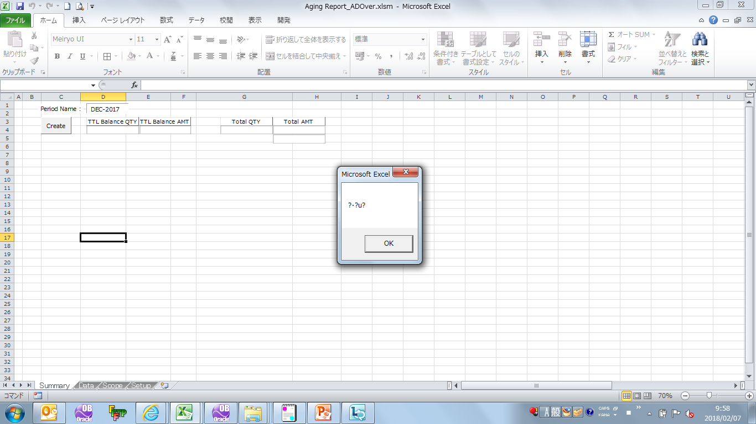
ME-Sui Kamada
ADO
 | Press [Create], Error message is shown.

ME-Sui Hosokawa
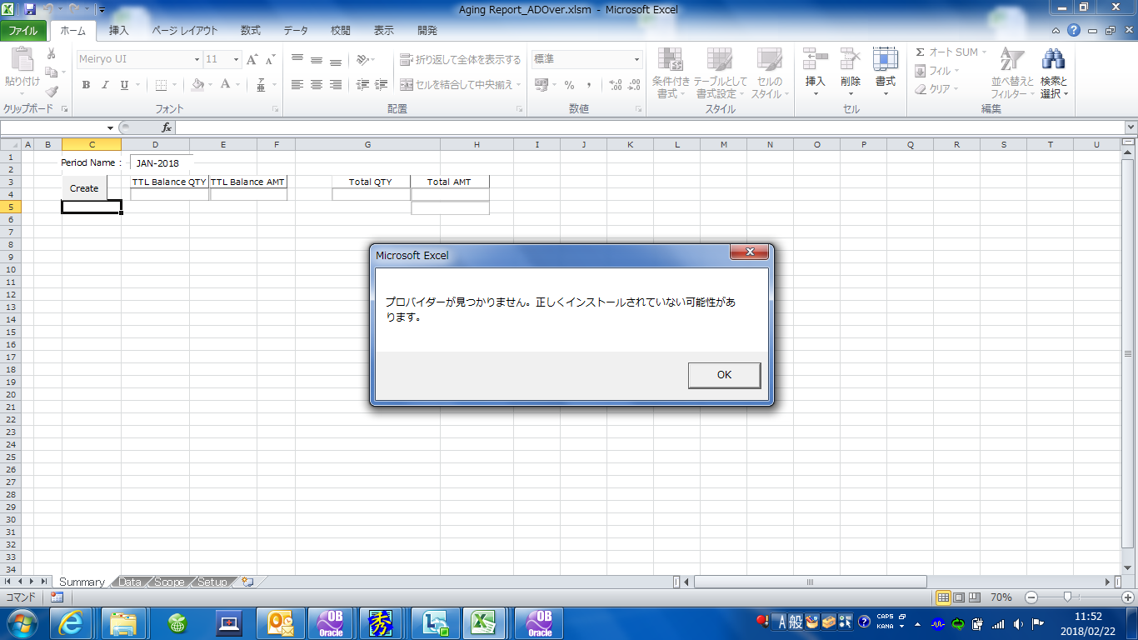
ME-Sui Hosokawa
oo4o
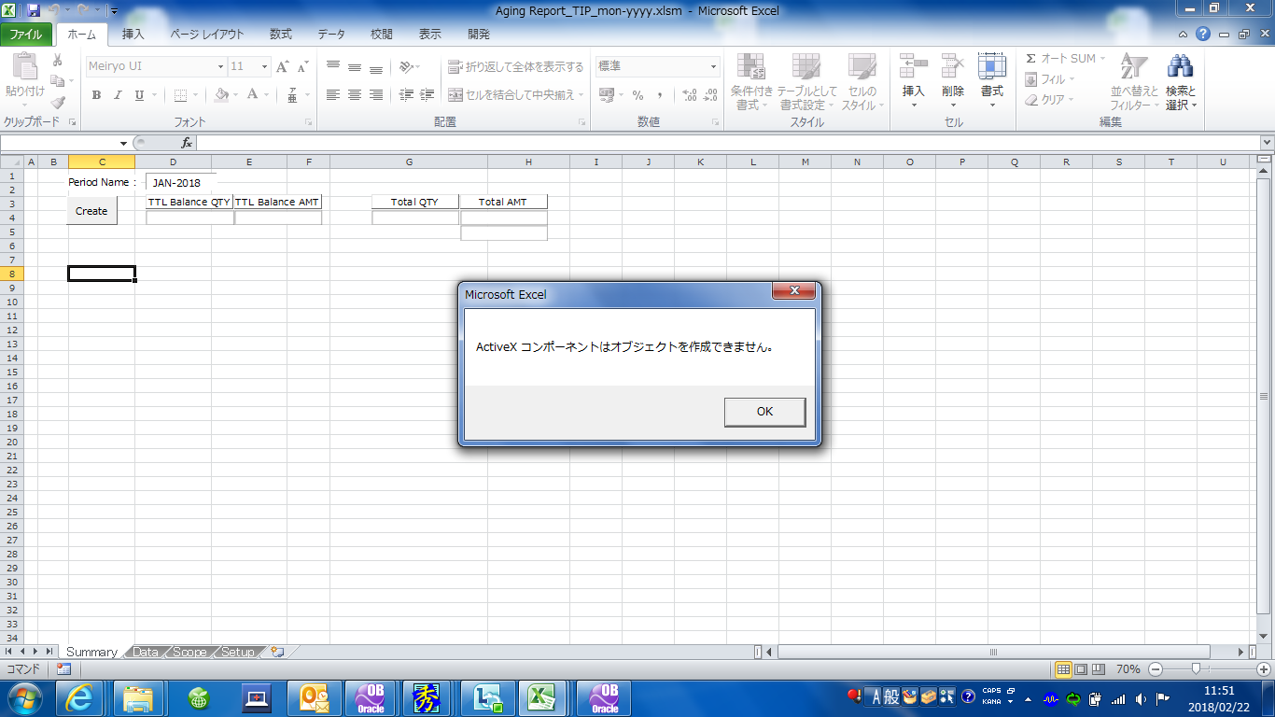

ADO

ME-Sui Nishimura
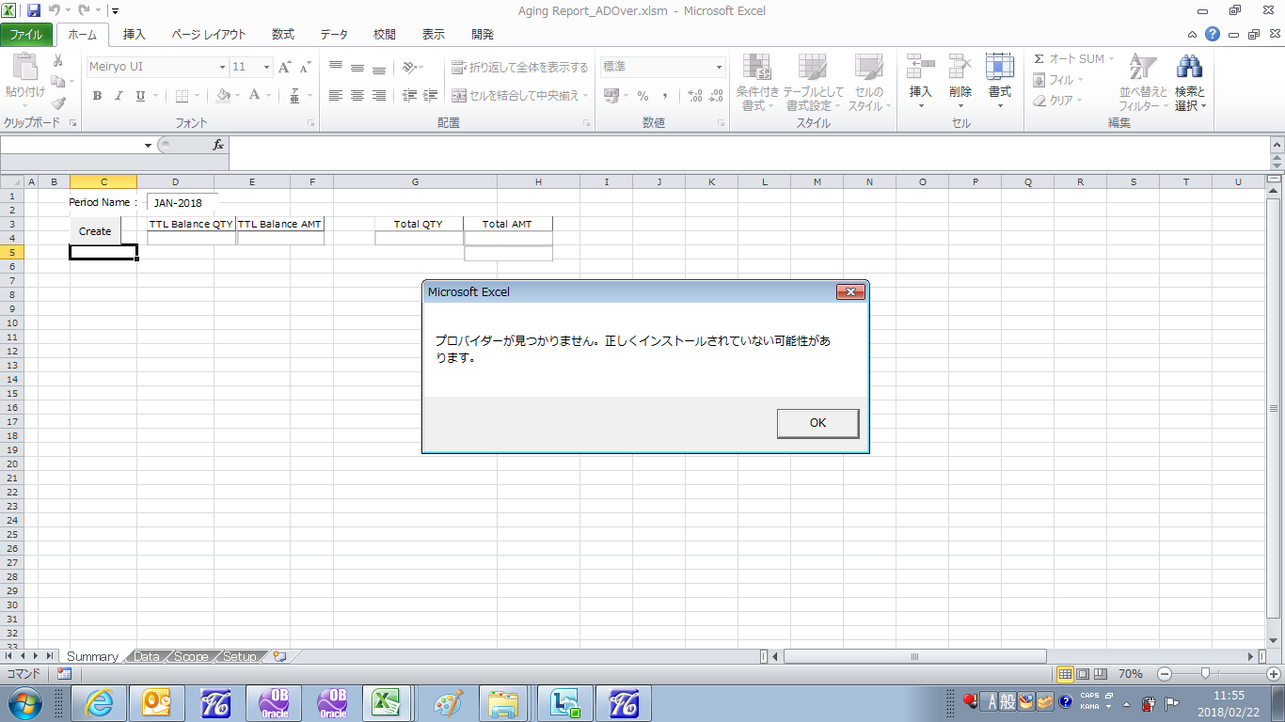
ME-Sui Nishimura
oo4o
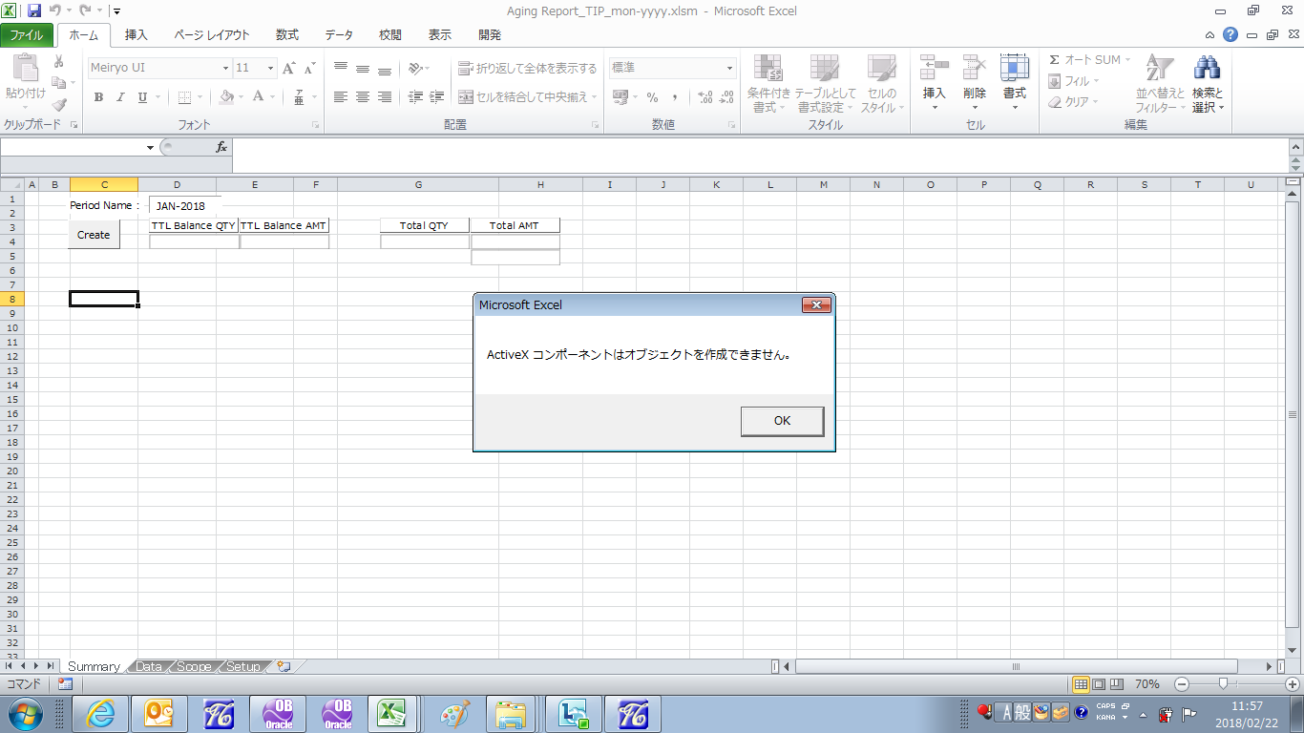

ADO

ME-Sui Oosako
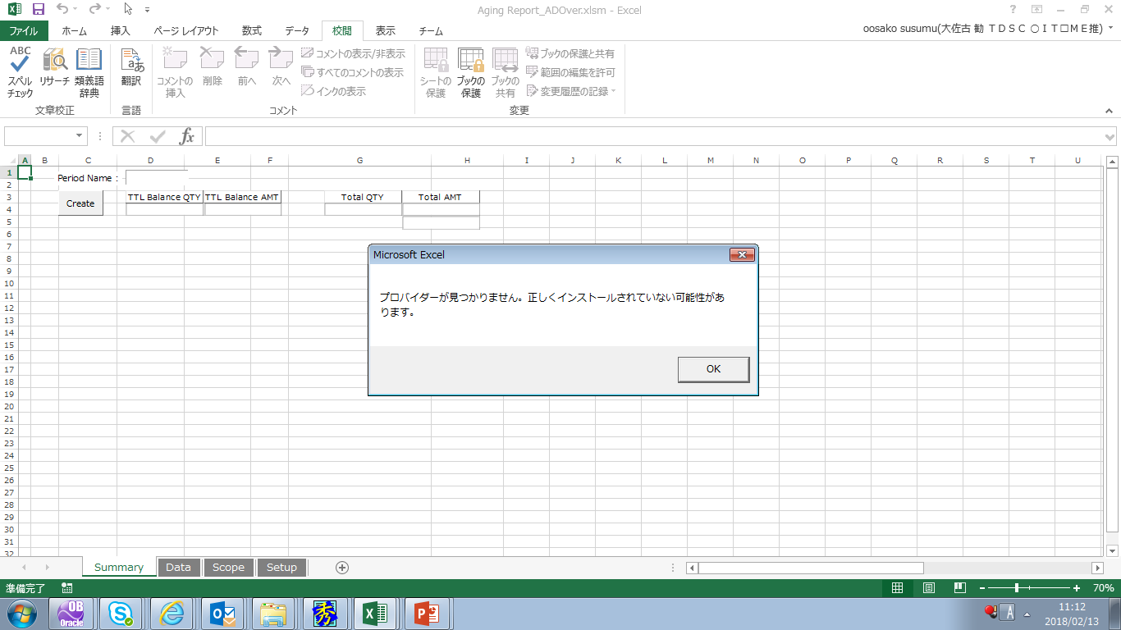
ME-Sui Oosako
ADO

